Start
Furthermore to this submission, additional detail has also been provided to Developers through our consultation program.

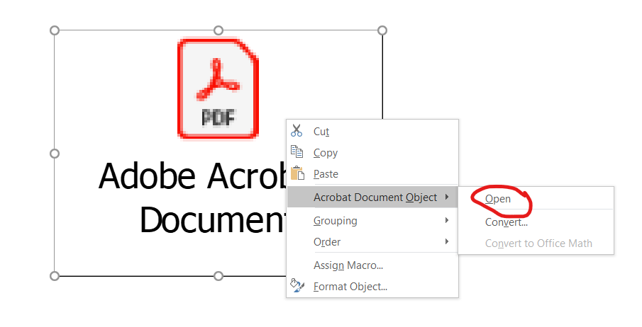
This document is embedded below.

To open this document, right click the icon below, and go to Acrobat Document then Open (see picture on the right)

The embedded document will then open in a new window

