Pop density
http://www.epa.nsw.gov.au/resources/air/healthpartemiss.pdf |  |  |  |  |  | From Hazelwood social cost of carbon
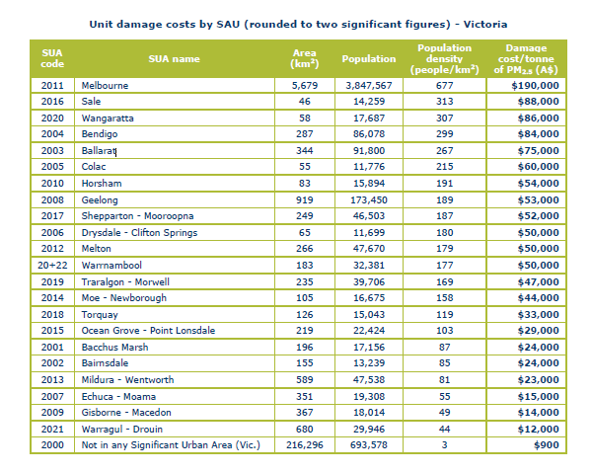
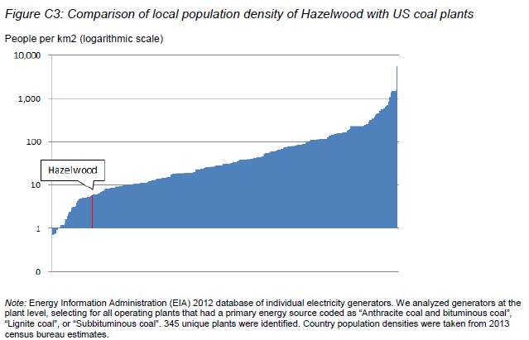

 | population density |  |  | population density |  |  | population density
3.1 | 1.0 |  |  | 1.0 |  |  | 1.0
4.7 | 1.5 |  |  | 1.5 |  |  | 1.5
6.3 | 2.9 |  |  | 2.9 |  |  | 2.9
8.2 | 4.1 |  |  | 4.1 |  |  | 4.1
11.5 | 5.0 |  |  | 5.0 |  |  | 5.0
14.7 | 6.4 |  |  | 6.4 |  |  | 6.4
18.5 | 7.7 |  |  | 7.7 |  |  | 7.7
20.7 | 8.8 |  |  | 8.8 |  |  | 8.8
24.3 | 9.8 |  |  | 9.8 |  |  | 9.8
27.9 | 10.0 |  |  | 10.0 |  |  | 10.0
32.4 | 13.5 |  |  | 13.5 |  |  | 13.5
38.9 | 16.9 |  |  | 16.9 |  |  | 16.9
45.6 | 23.7 |  |  | 23.7 |  |  | 23.7
50.5 | 30.1 |  |  | 30.1 |  |  | 30.1
54.7 | 33.9 |  |  | 33.9 |  |  | 33.9
60.2 | 42.3 |  |  | 42.3 |  |  | 42.3
66.2 | 60.5 |  |  | 60.5 |  |  | 60.5
70.2 | 74.2 |  |  | 74.2 |  |  | 74.2
75.5 | 95.8 |  |  | 95.8 |  |  | 95.8
79.3 | 109.8 |  |  | 109.8 |  |  | 109.8
82.3 | 139.4 |  |  | 139.4 |  |  | 139.4
85.9 | 173.9 |  |  | 173.9 |  |  | 173.9
89.3 | 220.7 |  |  | 220.7 |  |  | 220.7
92.7 | 305.0 |  |  | 305.0 |  |  | 305.0
94.6 | 414.4 |  |  | 414.4 |  |  | 414.4
96.9 | 613.0 |  |  | 613.0 |  |  | 613.0
98.0 | 922.3 |  |  | 922.3 |  |  | 922.3
98.5 | 1190.7 |  |  | 1190.7 |  |  | 1190.7
99.0 | 1387.8 |  |  | 1387.8 |  |  | 1387.8
100.0 | 1460.5 |  |  | 1460.5 |  |  | 1460.5
84.0 |  | 163 |  |  | 163 |  |  | 163
84.0 |  | 1 |  |  | 1 |  |  | 1
0.0 |  |  | 200 |  |  | 200 |  |  | 200
84.0 |  |  | 163 |  |  | 163 |  |  | 163
Percentile | population density
3.1 | 1.0
4.7 | 1.5
6.3 | 2.9
8.2 | 4.1
11.5 | 5.0
14.7 | 6.4
18.5 | 7.7
20.7 | 8.8
24.3 | 9.8
27.9 | 10.0
32.4 | 13.5
38.9 | 16.9
45.6 | 23.7
50.5 | 30.1
54.7 | 33.9
60.2 | 42.3
66.2 | 60.5
70.2 | 74.2
75.5 | 95.8
79.3 | 109.8
82.3 | 139.4 |  |  | Moe | 158
85.9 | 173.9 |  |  | Traralgon | 169
89.3 | 220.7 |  |  | mean | 163.5
92.7 | 305.0
94.6 | 414.4
96.9 | 613.0
98.0 | 922.3
98.5 | 1190.7
99.0 | 1387.8
100.0 | 1460.5
84 |  | 163
84 |  | 1
0 |  |  | 200
84 |  |  | 163

Table B2
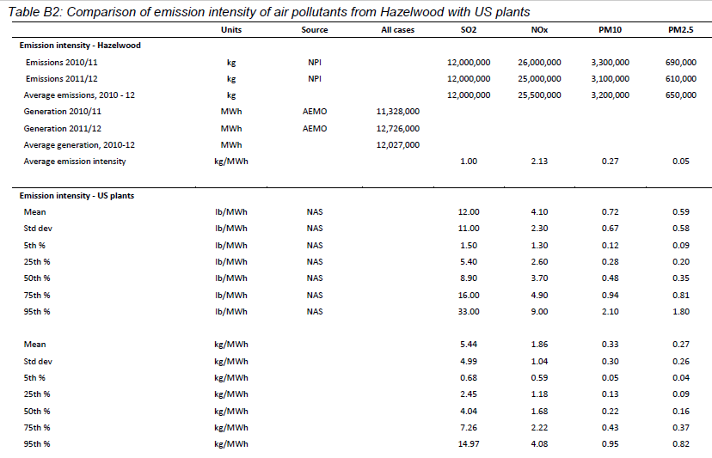
Table B2: Comparison of emission intensity of air pollutants from Hazelwood with US plants
Emission intensity US plants | Units | Source | All cases | percentiles | SO2 | NOx | PM10 right axis | PM2.5 right axis
5th % | kg/MWh | NAS |  | 5 | 0.68 | 0.59 | 0.05 | 0.04
25th % | kg/MWh | NAS |  | 25 | 2.45 | 1.18 | 0.13 | 0.09
50th % | kg/MWh | NAS |  | 50 | 4.04 | 1.68 | 0.22 | 0.16
75th % | kg/MWh | NAS |  | 75 | 7.26 | 2.22 | 0.43 | 0.37
95th % | kg/MWh | NAS |  | 95 | 14.97 | 4.08 | 0.95 | 0.82

34 |  |  | kg/MWh | Loy Yang A | Loy Yang B | Yallourn | test percentile
 |  |  | SO2 | 3.17 | 2.72 | 1.69 | 15.7 | 1.69 | y = 4.04E-07x4 - 3.60E-05x3 + 4.02E-04x2 + 9.65E-02x + 1.92E-01
 |  |  | NOx | 1.32 | 1.66 | 1.52 | 39.3 | 1.52 | y = 2.08E-07x4 - 2.88E-05x3 + 1.10E-03x2 + 1.48E-02x + 4.92E-01
 |  |  | PM10 | 0.23 | 0.18 | 0.27 | 59.8 | 0.27 | y = 3.02E-08x4 - 3.18E-06x3 + 1.01E-04x2 + 2.83E-03x + 3.37E-02
 |  |  | PM2.5 | 0.12 | 0.10 | 0.17 | 52.3 | 0.17 | y = 1.52E-08x4 - 8.57E-07x3 + 2.48E-06x2 + 2.79E-03x + 2.61E-02
 |  |  | Percentiles
 | SO2 | NOx | PM10 right axis | PM2.5 right axis
5 | 0.68 | 0.59 | 0.05 | 0.04
25 | 2.45 | 1.18 | 0.13 | 0.09
50 | 4.04 | 1.68 | 0.22 | 0.16
75 | 7.26 | 2.22 | 0.43 | 0.37
95 | 14.97 | 4.08 | 0.95 | 0.82
 |  |  | SO2 | 35.7 | 28.8 | 15.7
 |  |  | NOx | 30.1 | 48.3 | 39.3
 |  |  | PM10 | 52.5 | 39.3 | 59.8
 |  |  | PM2.5 | 37.9 | 29.5 | 52.3

From http://environmentvictoria.org.au/wp-content/uploads/2016/06/Hazelwood-Report-Social-cost-of-carbon.pdf

Loy Yang A
Calculation of damage from TABLE 2-8 below |  |  |  |  |  |  |  |  |  | kg/ton | 907
 | Loy Yang A |  |  |  |  | Low case | Central case | High case |  |  | 0
 | output |  | Intensity kg/MWh | US percentile |  | 5th % | 25th % | 75th %
SO2 | 5.31E+07 | kg | 3.17 | 35.7 | kg/MWh | 1,800 | 3,700 | 6,900 | US$/ton
NOx | 2.21E+07 | kg | 1.32 | 30.1 | kg/MWh | 680 | 980 | 1800 | US$/ton
PM10 | 3.86E+06 | kg | 0.23 | 52.5 | kg/MWh | 140 | 240 | 490 | US$/ton
PM2.5 | 2.01E+06 | kg | 0.12 | 37.9 | kg/MWh | 2,600 | 4,700 | 10,000 | US$/ton
Output | 1.68E+07 | MWh

Adjustment for inflation and US $
SO2 |  |  |  |  |  | 1.98 | 4.08 | 7.61 | US$/kg
NOx |  |  |  |  |  | 0.75 | 1.08 | 1.98 | US$/kg
PM10 |  |  |  |  |  | 0.15 | 0.26 | 0.54 | US$/kg
PM2.5 |  |  |  |  |  | 2.87 | 5.18 | 11.03 | US$/kg
 |  |  |  |  |  |  |  |  |  |  |  | Health cost
Calculation for intensity to get US$/MWh |  |  |  | US percentile |  | 5 | 25 | 75 |  | slope | intercept | US$/MWh at percentile
SO2 |  |  |  | 35.7 | SO2 | 6.29 | 12.93 | 24.12 | US$/MWh | 0.24868543805 | 5.7421691686 | $14.63
NOx |  |  |  | 30.1 | NOx | 0.99 | 1.43 | 2.62 | US$/MWh | 0.023397506573 | 0.85958782122 | $1.56
PM10 |  |  |  | 52.5 | PM10 | 0.04 | 0.06 | 0.12 | US$/MWh | 0.0012679162073 | 0.029162072767 | $0.10
PM2.5 |  |  |  | 37.9 | PM2.5 | 0.34 | 0.62 | 1.32 | US$/MWh | 0.013993724027 | 0.27317445509 | $0.80
Total |  |  |  |  |  | 7.66 | 15.04 | 28.18 | US$/MWh |  | Total | $17.09

https://www.econ.umd.edu/sites/www.econ.umd.edu/files/pubs/Hidden%20Costs%20of%20Energy%20-%20Unpriced%20Consequences%20of%20Energy.pdf
The Hidden Costs of Energy: Unpriced Consequences of Energy Production and Use, published by the US National Academy of Sciences, 2009

Loy Yang B
Calculation of damage |  |  |  |  |  |  |  |  |  | kg/ton | 907
 | Loy Yang B |  |  |  |  | Low case | Central case | High case
 | output |  | Intensity | US percentile |  | 5th % | 25th % | 75th %
SO2 | 2.09E+07 | kg | 2.72 | 28.8 | kg/MWh | 1,800 | 3,700 | 6,900 | US$/ton
NOx | 1.28E+07 | kg | 1.66 | 48.3 | kg/MWh | 680 | 980 | 1800 | US$/ton
PM10 | 1.38E+06 | kg | 0.18 | 39.3 | kg/MWh | 140 | 240 | 490 | US$/ton
PM2.5 | 7.69E+05 | kg | 0.10 | 29.5 | kg/MWh | 2,600 | 4,700 | 10,000 | US$/ton
Output | 7.69E+06 | MWh

Adjustment for inflation and US $
SO2 |  |  |  |  |  | 1.98 | 4.08 | 7.61 | US$/kg
NOx |  |  |  |  |  | 0.75 | 1.08 | 1.98 | US$/kg
PM10 |  |  |  |  |  | 0.15 | 0.26 | 0.54 | US$/kg
PM2.5 |  |  |  |  |  | 2.87 | 5.18 | 11.03 | US$/kg
 |  |  |  |  |  |  |  |  |  |  |  | Health cost
Calculation for intensity to get US$/MWh |  |  |  | US percentile |  | 5 | 25 | 75 |  | slope | intercept | US$/MWh at percentile
SO2 |  |  |  | 28.8 | SO2 | 5.40 | 11.10 | 20.69 | US$/MWh | 0.2133830888 | 4.927034744 | $11.06
NOx |  |  |  | 48.3 | NOx | 1.24 | 1.79 | 3.29 | US$/MWh | 0.029424137054 | 1.0809968055 | $2.50
PM10 |  |  |  | 39.3 | PM10 | 0.03 | 0.05 | 0.10 | US$/MWh | 0.00099228224917 | 0.022822491731 | $0.06
PM2.5 |  |  |  | 29.5 | PM2.5 | 0.29 | 0.52 | 1.10 | US$/MWh | 0.011661436689 | 0.22764537924 | $0.57
Total |  |  |  |  |  | 6.96 | 13.46 | 25.19 | US$/MWh |  |  | $14.20

Yallourn
Calculation of damage |  |  |  |  |  |  |  |  |  | kg/ton | 907
 | Yallourn |  |  |  |  | Low case | Central case | High case
 | output |  | Intensity | US percentile |  | 5th % | 25th % | 75th %
SO2 | 1.92E+07 | kg | 1.69 | 15.7 | kg/MWh | 1,800 | 3,700 | 6,900 | US$/ton
NOx | 1.73E+07 | kg | 1.52 | 39.3 | kg/MWh | 680 | 980 | 1800 | US$/ton
PM10 | 3.07E+06 | kg | 0.27 | 59.8 | kg/MWh | 140 | 240 | 490 | US$/ton
PM2.5 | 1.93E+06 | kg | 0.17 | 52.3 | kg/MWh | 2,600 | 4,700 | 10,000 | US$/ton
Output | 1.14E+07 | MWh

Adjustment for inflation and US $
SO2 |  |  |  |  |  | 1.98 | 4.08 | 7.61 | US$/kg
NOx |  |  |  |  |  | 0.75 | 1.08 | 1.98 | US$/kg
PM10 |  |  |  |  |  | 0.15 | 0.26 | 0.54 | US$/kg
PM2.5 |  |  |  |  |  | 2.87 | 5.18 | 11.03 | US$/kg
 |  |  |  |  |  |  |  |  |  |  |  | Health cost
Calculation for intensity to get US$/MWh |  |  |  | US percentile |  | 5 | 25 | 75 |  | slope | intercept | US$/MWh at percentile
SO2 |  |  |  | 15.7 | SO2 | 3.35 | 6.89 | 12.86 | US$/MWh | 0.13257993385 | 3.0612826167 | $5.14
NOx |  |  |  | 39.3 | NOx | 1.14 | 1.64 | 3.02 | US$/MWh | 0.026942583326 | 0.98982840019 | $2.05
PM10 |  |  |  | 59.8 | PM10 | 0.04 | 0.07 | 0.15 | US$/MWh | 0.0014884233738 | 0.034233737596 | $0.12
PM2.5 |  |  |  | 52.3 | PM2.5 | 0.49 | 0.88 | 1.87 | US$/MWh | 0.019824442371 | 0.38699714471 | $1.42
Total |  |  |  |  |  | 5.02 | 9.49 | 17.89 | US$/MWh |  |  | $8.74

All stations
 |  |  | From table-o https://www.energy.gov.au/publications/australian-energy-update-2018
 |  |  | Total Vic generation |  | 49,288 | GWh | cell D49
 |  |  | Brown coal fired electricity |  | 38,313 | GWh | cell D38
 |  |  | Proportion brown coal |  | 78%
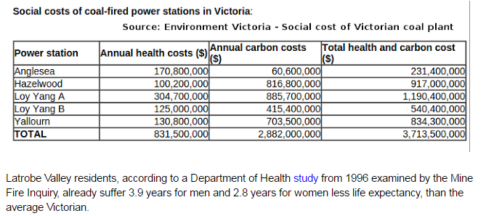
 |  |  | Capacity factor |  | 0.9623

 |  | Envionment Victoria calculations health cost |  |  |  |  |  | My calculations - health cost
 |  | Health cost | MW | capacity factor | MWh /year | cost per MWh |  | My calc cost per MWh |  | My calc cost

 | Loy Yang A | $304,700,000 | 2180 | 0.90 | 16,763,328 | $18.18 |  | $17.09 |  | $286,533,809
 | Loy Yang B | $125,000,000 | 1000 | 0.90 | 7,689,600 | $16.26 |  | $14.20 |  | $109,191,555
 | Yallorn | $130,800,000 | 1480 | 0.90 | 11,380,608 | $11.49 |  | $8.74 |  | $99,418,517
 |  | $560,500,000 |  |  | 35,833,536 |  |  |  |  | $495,143,882
 |  |  |  |  | Total $/MWh | $15.64 |  |  | TotalUS $/MWh | $13.82
 |  |  |  |  | Total cents//kWh | 1.56 |  |  | Total US cents/kWh | 1.38
 |  |  |  |  | Inflation 1996 - 2018 | 1.682 |  |  | Inflation 2007 - 2018 | 1.28
 |  |  |  |  | Total cents//kWh | 2.63 |  |  | USD - AUD | 1.42
 |  |  |  |  |  |  |  |  | Aust cents/kWh | 2.51

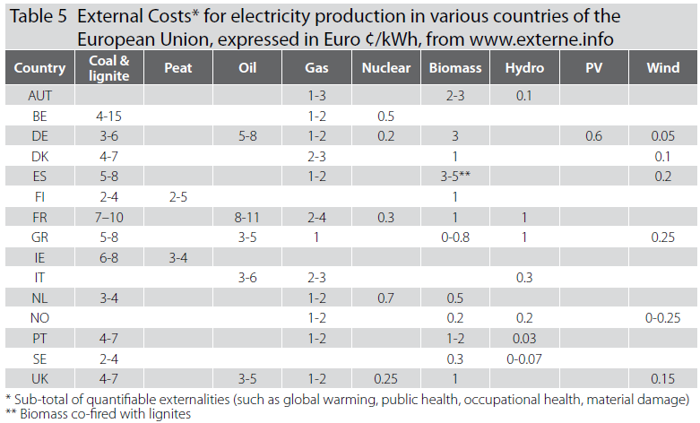
From ATSE THE HIDDEN COSTS OF ELECTRICITY: Externalities of Power Generation in Australia

Summary
Column1 | Column2 | Column3 | Column4 | Column5

 | Loy Yang A | Loy Yang B | Yallourn | Data source
Emissions kg/MWh |  |  |  | Ward
SO2 | 3.17 | 2.72 | 1.69
NOx | 1.32 | 1.66 | 1.52
PM10 | 0.23 | 0.18 | 0.27
PM2.5 | 0.12 | 0.1 | 0.17
Percentiles cf 405 US power stations |  |  |  | Ward
SO2 | 35.7 | 28.8 | 15.7
NOx | 30.1 | 48.3 | 39.3
PM10 | 52.5 | 39.3 | 59.8
PM2.5 | 37.9 | 29.5 | 52.3
Health cost A$/MWh at percentile |  |  |  | NAS
SO2 | $14.63 | $11.06 | $5.14
NOx | $1.56 | $2.50 | $2.05
PM10 | $0.10 | $0.06 | $0.12
PM2.5 | $0.80 | $0.57 | $1.42
Total | $17.09 | $14.20 | $8.74
Output GWh/year |  |  |  | Environment Vic
 | 16763 | 7690 | 11381 | 35834
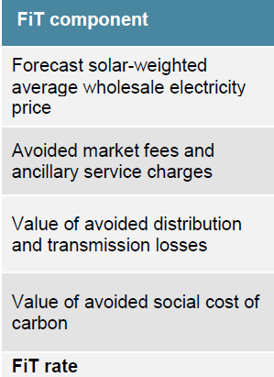
 |  |  |  | Totals
 | Health cost US$M
 | 287 | 109 | 99 | 495 | 8 | 0.4
 |  |  |  | Totals |  | 2.5 |  | 8
Health cost cents per kWh |  |  |  | 2.51
Adjustment of self consumption vs export |  |  | 1.49 | 3.74 |  |  |  | 0.1
Adjust for prop brown coal generation |  |  | 78% | 2.90
Final health cost Aust cents per kWh |  |  |  | 2.90 |  |  | 0.4 | 0.6

 |  |  |  |  |  |  | 2.5 | 3.8
 |  |  |  |  |  |  |  | 2.90
 |  |  |  |  |  |  |  | 15.4

PV generation vs export
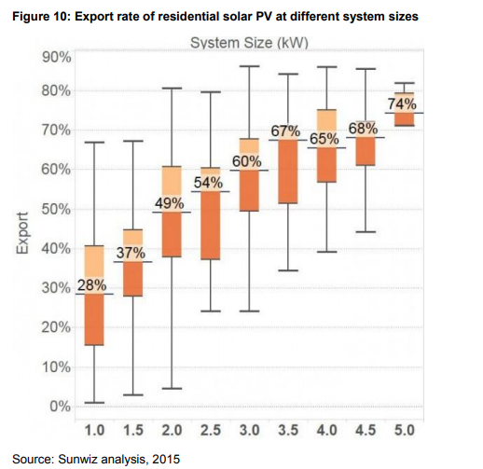
http://pv-map.apvi.org.au/historical#4/-26.67/134.12 |  |  |  |  |  | Web site
https://d284f79vx7w9nf.cloudfront.net/attachments/analysis/7/states_e395.csv |  |  |  |  |  | table downloaded |  |  |  | https://www.energycouncil.com.au/media/14635/aec-solar-report_-q3-2018_final.pdf
state | installations | percentage_dwellings | kw_capacity | MW_capacity_under_10_kW | MW_capacity_10_to_100_kW | MW_capacity_over_100_kW | count_under_10_kW | count_10_100_kW | count_over_100_kW
QLD | 579133 | 32.6 | 3536352 | 1935.4 | 285.4 | 1315.5 | 565642 | 13391 | 100
SA | 235619 | 32.1 | 1263787 | 754.1 | 186.9 | 322.8 | 226110 | 9427 | 82
WA | 273262 | 26.1 | 1044635 | 843.7 | 147 | 53.9 | 267495 | 5708 | 59
NSW | 441223 | 17.8 | 2342365 | 1311.1 | 388.1 | 643.1 | 422642 | 18456 | 125
VIC | 358092 | 15.6 | 1613882 | 1111.3 | 264.8 | 237.8 | 346419 | 11554 | 119
ACT | 21395 | 14.2 | 131879 | 68.9 | 13 | 49.9 | 20819 | 560 | 16
NT | 10139 | 14.2 | 82051 | 44 | 19.8 | 18.3 | 9605 | 510 | 24
TAS | 32823 | 14.1 | 133831 | 107.9 | 20.4 | 5.6 | 31759 | 1058 | 6

 | Data | Calc 67% at 3.8 kWp
1 | 28
1.5 | 37
2 | 49
2.5 | 54
3 | 60
3.5 | 67
4 | 65
4.5 | 68
5 | 74
3.8441446701 |  | 67
Total Vic kW under 100 kW |  |  | 1376.1
Number of installations under 100 kW |  |  | 357973
Average size kW |  |  | 3.84

System size | Export % | trendline | coeffs
1 | 28 |  | -2.5022
1.5 | 37 |  | 25.746
2 | 49 |  | 5.2286
2.5 | 54
3 | 60
3.5 | 67
4 | 65
4.5 | 68
5 | 74
3.84 |  | 67

generation/export ratio |  | 1.49

